Sheet1
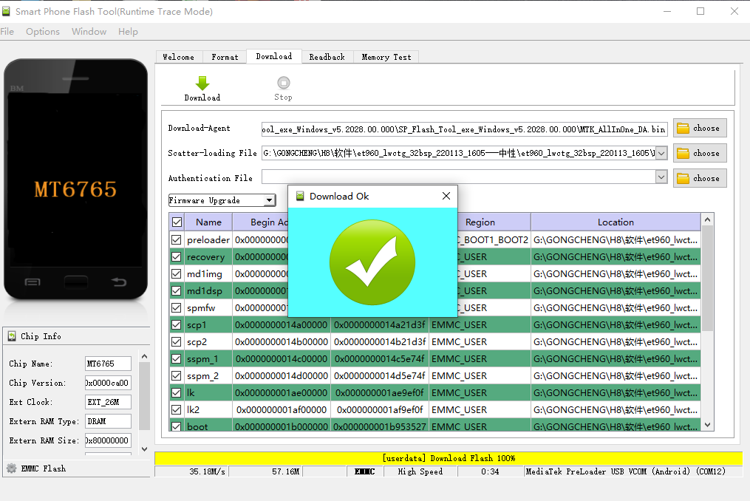
Operation Guide
Step 1：Install the drive
run "DriverInstall"

Step2: Open the flash tool
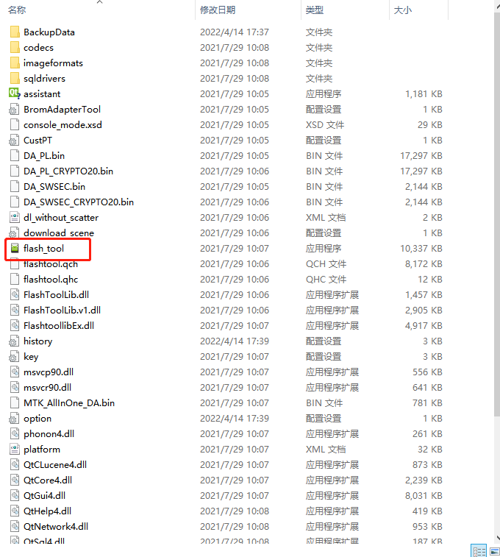

Step 3： do the following operations (start from step 1 to 4)

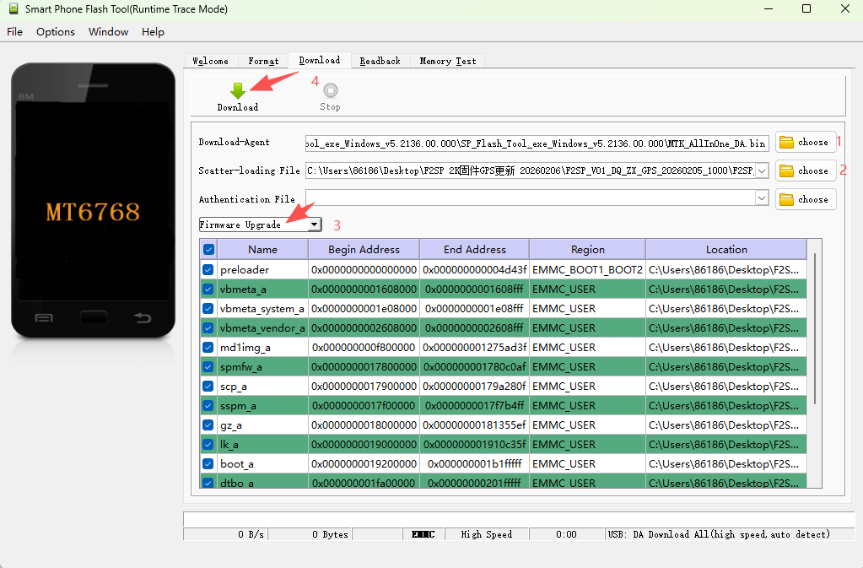

Remarks:
1- Select the file in the folder "SP_Flash_Tool_exe_Windows_v5.2136.00.000"--" MTK_AllInOne_DA.bin"
2- Select the file in the Firmware(FW) folderF2SP_V01_DQ_ZX_GPS_20260205_1000- "MT6768_Android_scatter"
3- choose"Firmware upgrade"option
4-click "Download" first,and power off the F2S-A first,then use a USB cable to connect with PC
5-Then you will see there will be a progress bars until the program is completed, then the window will pop up "Ok"--means the FW format done (as below picture shows)

